w2_Algae_Toxin.csv
Cyanotoxins Control File | ON/OFF | DEBUG
TOXINCONTROL: ATOX (turn ON/OFF all algae toxins),ATOX_DEBUG (turn on debugging output) | ON | ON |  |  |  |  | Global turn ON/OFF algae toxins
MICROCYSTIN | ALG1 | ALG2 | ALG3 | ALG4 | ALG5 | ALG6 | For each algal type specify whether this group produces toxins based on a fraction of its biomass
CTP_MC, fraction of algae concentration producing MC | 0.5 | 0.25 | 0.3 |  |  |  | If CTP is zero, then no toxin is produced by that algal group
CTB_MC, ratio of intracellular toxin to dry weight biomass (mg toxin/mg DW) | 0.1 | 0.2 | 0.2
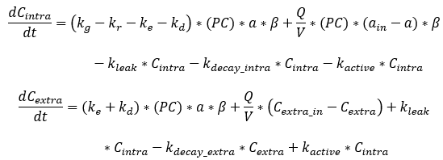
CTR_MC, release rate, day-1 | 0.5 |  |  |  |  |  | These are not a function of each algal group
CTD_MC, extracellular decay , day-1 | 0.1
CYLINDROSPERMOPSIN | ALG1 | ALG2 | ALG3 | ALG4 | ALG5 | ALG6
CTP_CYN, fraction of algae concentration producing CYN | 1 | 0 | 0
CTB_CYN, ratio of intracellular toxin to dry weight biomass (mg toxin/mg DW) | 0.25 | 0.2 | 0.2
CTR_CYN, release rate, day-1 | 0.5
CTD_CYN, extracellular decay , day-1 | 0.25
ANATOXIN-A | ALG1 | ALG2 | ALG3 | ALG4 | ALG5 | ALG6 | These are not a function of each algal group
CTP_ATX, fraction of algae concentration producing ATX | 0.5 | 0.25 | 0.3
CTB_ATX, ratio of intracellular toxin to dry weight biomass (mg toxin/mg DW) | 0.1 | 0.2 | 0.2
CTR_ATX, release rate, day-1 | 0.5
CTD_ATX, extracellular decay, day-1 | 0.1 |  |  |  |  |  |  | kg=growth
SAXITOXIN | ALG1 | ALG2 | ALG3 | ALG4 | ALG5 | ALG6 |  | kr=respiration
CTP_STX, fraction of algae concentration producing STX | 0.5 | 0.25 | 0.3 |  |  |  |  | ke=excretion
CTB_STX, ratio of intracellular toxin to dry weight biomass (mg toxin/mg DW) | 0.1 | 0.2 | 0.2 |  |  |  | These are not a function of each algal group | kd=death
CTR_STX, release rate, day-1 | 0.5 |  |  |  |  |  |  | PC=fraction of algae concentration producing the toxin
CTD_STX, extracellular decay , day-1 | 0.1 |  |  |  |  |  |  | a=algae concentration
 |  |  |  |  |  |  |  | B (beta)=ratio of intracellular toxin to dry weight OM
Do not highlight Column A |  |  |  |  |  |  |  | kleak=intracellular toxin leakage from cell
 |  |  |  |  |  |  |  | kdecay_intra=intracellular toxin decay
 |  |  |  | Go to Index of Sheets: |  |  |  | kactive=intracellular toxin active release from cell
 |  |  |  | Index of Sheets'!A1 |  |  |  | kdecay_extra=extracellular toxin decay

ATOX_DEBUG: This turns on an output file that has the following information at the location of and frequency of TSR output files:
jday,k,I,ex_toxin(k,I,j, j=1,numatoxins),in_toxin(k,I,j, j=1,numatoxins),ctess(k,I,j=1,numaltoxins),alg(k,I,jj,j=1,nal)
Debugging output is written to the file algae_toxin_debug.csv

